Combined_Clustering_6_Scaled_KM
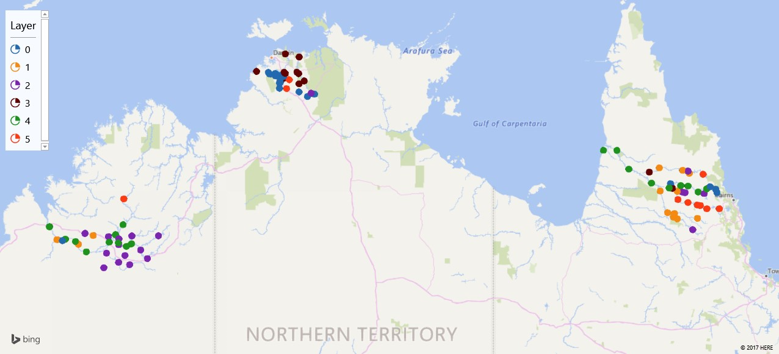
Gauge | Assignments | X Coordinate | Y Coordinate
9190090 | 4 | 142.3769873 | -15.95113728
8020080 | 4 | 123.6474896 | -17.73253209
9190040 | 1 | 144.5969409 | -17.47390493
8020550 | 4 | 125.5780911 | -18.20997565
3D Maps Tours This workbook has 3D Maps tours available. Open 3D Maps to edit or play the tours.
8021981 | 2 | 126.813064 | -18.71112459
9190070 | 2 | 144.8138969 | -16.71057343
81800350 | 3 | 131.646372 | -12.90692926
8020555 | 2 | 125.8875113 | -18.28887995
81700020 | 0 | 131.1077714 | -13.24083162
8022030 | 4 | 126.1325536 | -18.3363787
8020081 | 1 | 123.8914235 | -18.13054146
9193102 | 5 | 144.6866467 | -17.07534432
9190000 | 4 | 141.5530467 | -15.36333847
9190061 | 1 | 143.943608 | -17.49077704
8020070 | 4 | 124.1622407 | -18.11385435
8020031 | 1 | 124.58793 | -18.2739
81700050 | 3 | 131.2708227 | -12.94863907
9193091 | 1 | 143.9411174 | -16.63943488
9193050 | 5 | 145.3011042 | -17.17834575
9192040 | 3 | 143.0386238 | -16.04165441
9190050 | 0 | 145.22889 | -16.67917818
81700760 | 0 | 131.1052699 | -13.18165911
8022020 | 2 | 126.3111272 | -18.0151565
81802520 | 0 | 131.9867241 | -13.67582929
9192031 | 1 | 144.1153116 | -15.98805868
8020030 | 4 | 124.49058 | -18.18694465
9190010 | 0 | 145.1869515 | -16.57326415
9190080 | 1 | 143.8502787 | -17.32416351
9193092 | 5 | 143.9619819 | -16.8919331
8020060 | 4 | 124.8397198 | -18.5069486
81800351 | 3 | 131.7002439 | -12.95328639
9193120 | 2 | 144.1063815 | -16.65972222
8020082 | 0 | 124.0686287 | -18.16193132
81800353 | 2 | 132.11061 | -13.57057398
81500970 | 0 | 130.9677999 | -12.96390324
9190092 | 1 | 143.3902962 | -16.63003286
8020040 | 2 | 124.7961024 | -17.93944988
8020552 | 4 | 125.7816749 | -17.97720252
81700840 | 3 | 131.2339395 | -13.09138748
9193121 | 2 | 144.1911457 | -16.67858892
8022310 | 2 | 126.2380616 | -18.90113831
9192010 | 5 | 144.7783469 | -16.10834414
81700001 | 3 | 131.2713946 | -12.3330559
8020050 | 2 | 125.8828167 | -18.83111152
8020010 | 2 | 127.1708672 | -18.01214323
8020554 | 4 | 125.8792099 | -18.23387436
9192030 | 1 | 143.3619257 | -15.90778576
81502040 | 0 | 130.9411246 | -12.94834715
8020062 | 2 | 125.492239 | -18.54720852
81700060 | 5 | 131.3155492 | -13.42391034
9190120 | 0 | 143.7225292 | -16.39834508
8020553 | 2 | 125.8947327 | -18.10694602
8020551 | 2 | 125.5538894 | -18.03750164
9190060 | 1 | 143.8205409 | -17.43502434
9190111 | 4 | 144.053913 | -16.46055546
9192020 | 1 | 144.3310968 | -16.08221466
8021560 | 4 | 126.2989775 | -18.26001763
9190031 | 4 | 144.6147174 | -16.65947442
81702400 | 5 | 131.4016898 | -13.14836286
9190110 | 4 | 143.6786104 | -16.53390255
8020061 | 2 | 125.40444 | -18.99527
9190091 | 4 | 143.1080869 | -16.3841778
8022130 | 5 | 126.0508814 | -16.87142361
8020032 | 1 | 125.061652 | -18.00250781
81500002 | 0 | 130.7245913 | -12.91638348
9193101 | 5 | 144.5908548 | -17.05970535
81700021 | 0 | 131.0836258 | -13.24944879
81700080 | 0 | 131.085275 | -13.41722298
9190130 | 0 | 145.0022146 | -16.49779091
81800352 | 3 | 131.7133451 | -13.27622584
9190140 | 4 | 144.8911378 | -16.56303564
81700051 | 0 | 131.2172064 | -13.04833523
9192050 | 2 | 144.2891686 | -16.01196736
9190093 | 1 | 143.625836 | -17.29944996
9193090 | 3 | 143.7855754 | -16.54612947
9193110 | 5 | 144.8989334 | -17.18224264
81700660 | 0 | 131.1225335 | -13.01392203
9193100 | 5 | 144.2875164 | -16.98305274
81800354 | 3 | 131.8805607 | -13.18526398
8020020 | 2 | 126.0891907 | -18.61636849
9190020 | 2 | 144.4427767 | -17.82500233
81500001 | 3 | 130.3405885 | -12.88195079
81500100 | 0 | 130.9511349 | -13.02419337
81800001 | 3 | 131.7180415 | -12.42666654
81800260 | 0 | 132.220031 | -13.6028074
9190030 | 4 | 144.2897264 | -16.47139641
81800690 | 0 | 131.717784 | -13.53250506
81501800 | 0 | 130.7624922 | -12.96946241
9190001 | 4 | 141.9930575 | -15.36417099
81700200 | 3 | 131.2353014 | -12.90917972
8021370 | 4 | 126.0258325 | -17.67207701
81502000 | 0 | 131.0011117 | -12.99028725
8021980 | 2 | 126.5944606 | -18.44974064

